Swedish Medtech, Sailab, Melano
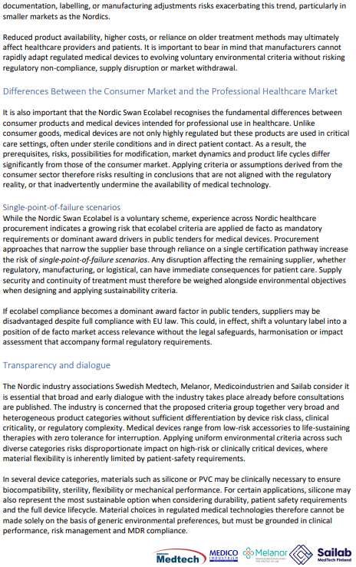
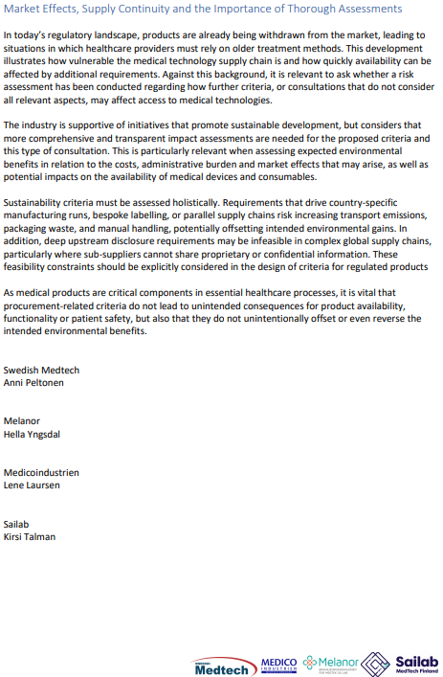
Response from Swedish Medtech, Sailab, Melanor, Medicoindustrien | Answer from Nordic Ecolabelling:

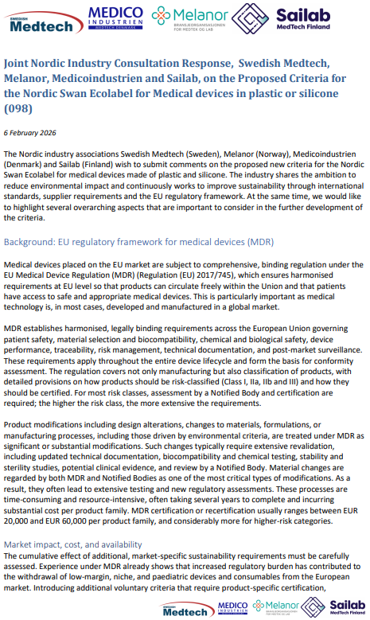
 | Please see answer in tab "Responses and feedback".

VinylPlus Healthcare, PVC Forum
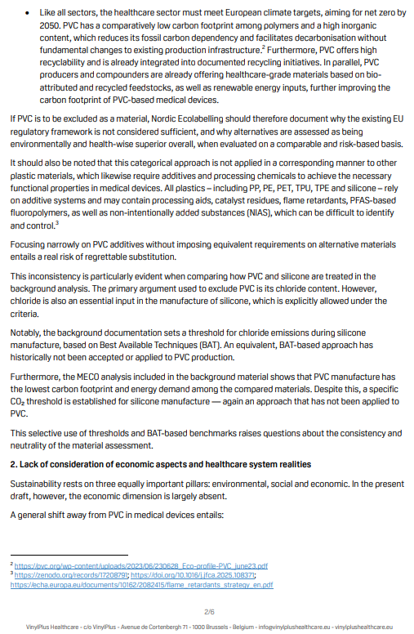
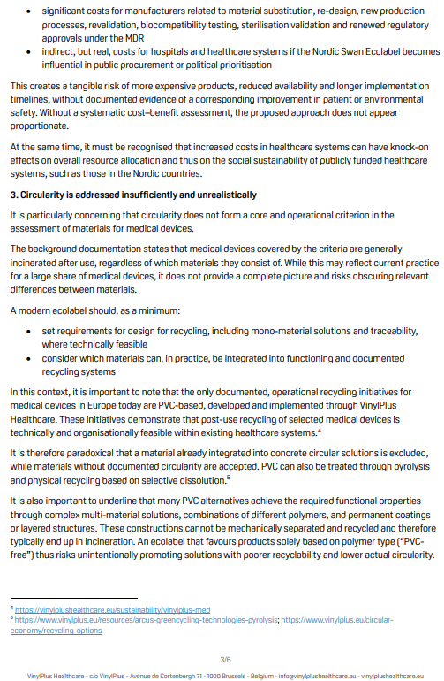
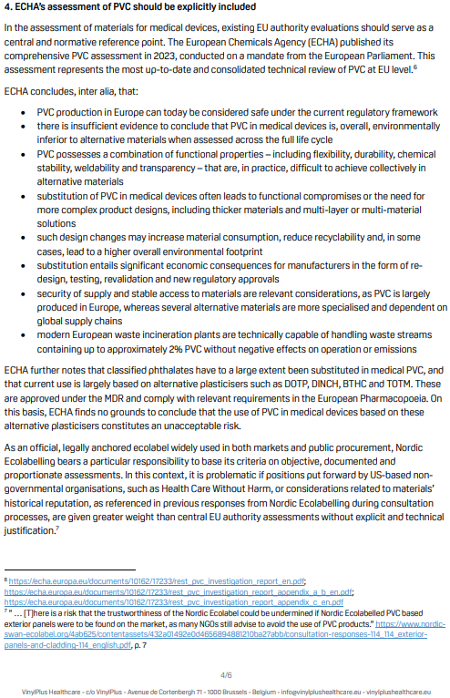
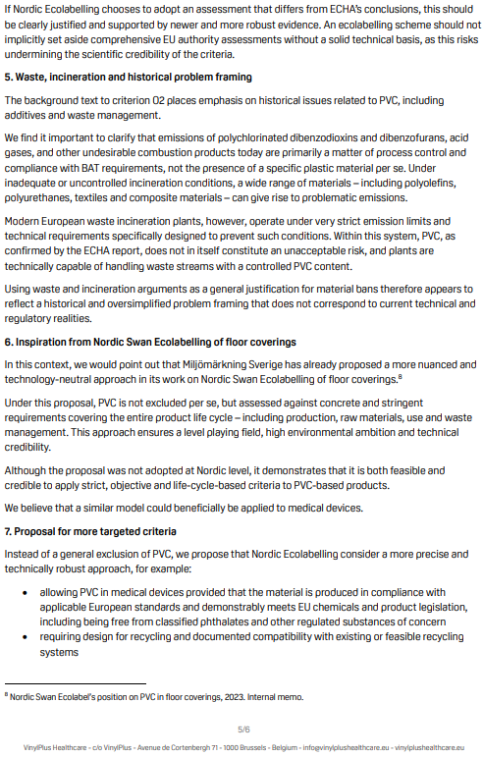
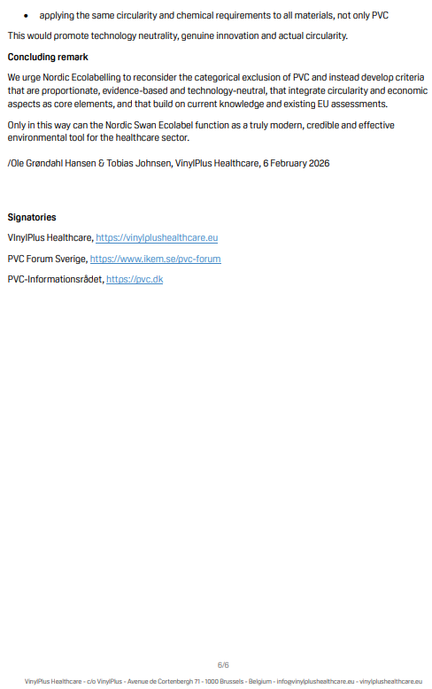
Response from VinylPlus Healthcare, PVC Forum Sverige and PVC-Informationsrådet | Answer from Nordic Ecolabelling:

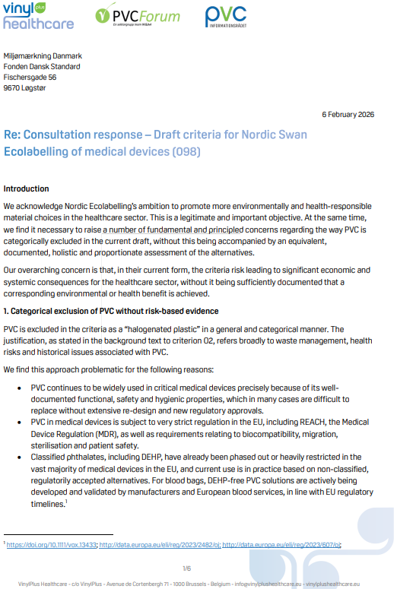
 | Please see answer in tab "Responses and feedback".

