Label coverage non-cylindrical
Coverage of label on PET packaging

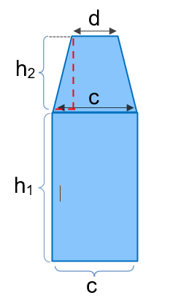
Calculation - Requirement on coverage of labels on PET packaging |  |  |  |  |  | The illustration shows an example of the measurements involved in the calculation of the total area of a non-cylindrical container.
Please see requirement O15 Packaging in the criteria for more details.

Product name/trade name |  |  |  |  | Please note that if the packaging has labels on two sides, the calculation should be made for the side with the biggest label.

 | Product size |  |  | ml

 | Size of the label |  |  | cm2

 | h1 |  |  | cm

 | h2 |  |  | cm

 | c |  |  | cm

 | d |  |  | cm

 | Area A1: | 0 | cm2

 | Area A2: | 0 | cm2

 | Label coverage |  | Limit value
 |  | ≤

 | Requirement fulfilled

Label coverage cylindrical
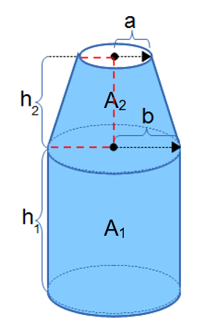
Coverage of label on PET packaging
 |  |  |  |  | The illustration shows the measurements involved in the calculation of the total area of a cylindrical container.
Calculation - Requirement on coverage of labels on PET packaging
Please see requirement O15 Packaging in the criteria for more details.

Product name/trade name

 | Product size |  |  | ml

 | Size of the label |  |  | cm2

 | h1 |  |  | cm

 | h2 |  |  | cm

 | a |  |  | cm

 | b |  |  | cm

 | Area A1: | 0 | cm2

 | Area A2: | 0 | cm2

 | Label coverage |  | Limit value
 |  | ≤

 | Requirement fulfilled

