Label coverage non-cylindrical
Coverage of label on PET packaging

Calculation - Requirement on coverage of labels on PET packaging for Nordic Ecolabelled cosmetics
Please see requirement O36 Labels and Appendix 6 in the criteria for more details.
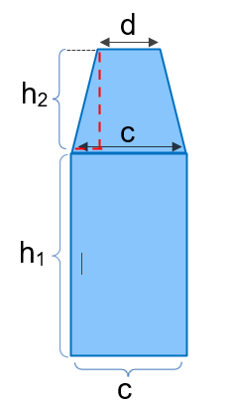
Product name/trade name |  |  |  |  | Please note that if the packaging has labels on two sides, start by doing the calculation for the side with the biggest label. If this side passes the limit, then so will the side with the smaller label.

 | Product size |  |  | ml

 | Size of the label |  |  | cm2

 | h1 |  |  | cm

 | h2 |  |  | cm

 | c |  |  | cm

 | d |  |  | cm

 | Area A1: | 0 | cm2

 | Area A2: | 0 | cm2

 | Label coverage |  | Limit value
 |  | ≤

Label coverage cylindrical
Coverage of label on PET packaging

Calculation - Requirement on coverage of labels on PET packaging for Nordic Ecolabelled cosmetics
Please see requirement O36 Labels and Appendix 6 in the criteria for more details.

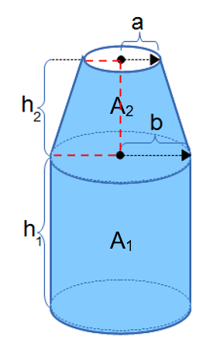
Product name/trade name

 | Product size |  |  | ml

 | Size of the label |  |  | cm2

 | h1 |  |  | cm

 | h2 |  |  | cm

 | a |  |  | cm

 | b |  |  | cm

 | Area A1: | 0 | cm2

 | Area A2: | 0 | cm2

 | Label coverage |  | Limit value
 |  | ≤

