Label coverage cylindrical
Coverage of label on packaging

Calculation - Coverage of labels on PET plastic packaging for Nordic Ecolabelled Hand dishwashing detergents
Please see requirement O16 Labels for rigid plastic packaging: Design for recycling and Appendix 3 in the criteria for more details.

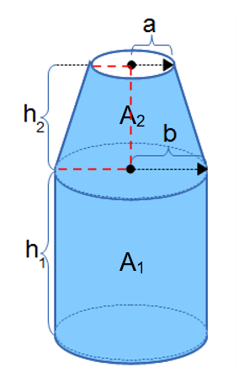
Product name/trade name

 | Product size |  |  | ml

 | Size of the label |  |  | cm2

 | h1 |  |  | cm

 | h2 |  |  | cm

 | a |  |  | cm

 | b |  |  | cm

 | Area A1: | 0 | cm2

 | Area A2: | 0 | cm2

 | Label coverage |  | Limit value
 | #DIV/0! | ≤

 | #DIV/0!

Label coverage non-cylindrical
Coverage of label on packaging

Calculation - Coverage of labels on PET plastic packaging for Nordic Ecolabelled Hand dishwashing detergents
Please see requirement O16 Labels for rigid plastic packaging: Design for recycling and Appendix 3 in the criteria for more details.
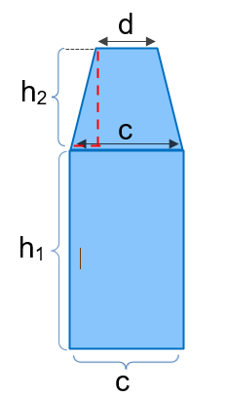
Product name/trade name |  |  |  |  | Please note that if the packaging has labels on two sides, the calculation should be made for the side with the biggest label.

 | Product size |  |  | ml

 | Size of the label |  |  | cm2

 | h1 |  |  | cm

 | h2 |  |  | cm

 | c |  |  | cm

 | d |  |  | cm

 | Area A1: | 0 | cm2

 | Area A2: | 0 | cm2

 | Label coverage |  | Limit value
 | #DIV/0! | ≤

 | #DIV/0!

